Highest Users
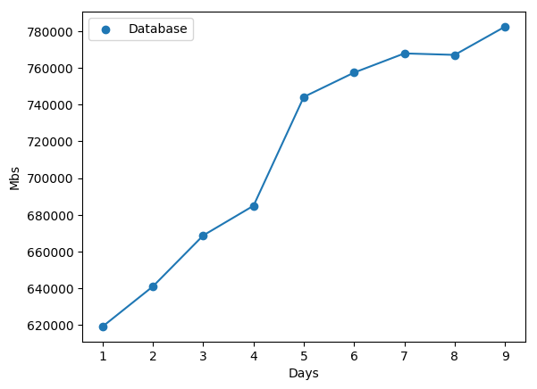
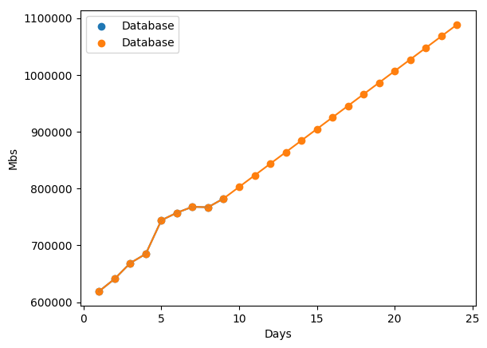
Name | Average mb growth over 9 days | Day 9 | Day 10 | Day 11 | Day 12 | Day 13 | Day 14 | Day 15 | Day 16 | Day 17 | Day 18 | Day 19 | Day 20 | Day 21 | Day 22 | Day 23 | Day 24
dynamic_app_data_944 | 31.485 | 2490.55 | 2522.035 | 2553.52 | 2585.005 | 2616.49 | 2647.975 | 2679.46 | 2710.945 | 2742.43 | 2773.915 | 2805.4 | 2836.885 | 2868.37 | 2899.855 | 2931.34 | 2962.825
master_filestore | 8.59625 | 3507.36 | 3515.95625 | 3524.5525 | 3533.14875 | 3541.745 | 3550.34125 | 3558.9375 | 3567.53375 | 3576.13 | 3584.72625 | 3593.3225 | 3601.91875 | 3610.515 | 3619.11125 | 3627.7075 | 3636.30375
meta_stats | 14.9225 | 3729.1 | 3744.0225 | 3758.945 | 3773.8675 | 3788.79 | 3803.7125 | 3818.635 | 3833.5575 | 3848.48 | 3863.4025 | 3878.325 | 3893.2475 | 3908.17 | 3923.0925 | 3938.015 | 3952.9375
data_avail | 32.465 | 4367.72 | 4400.185 | 4432.65 | 4465.115 | 4497.58 | 4530.045 | 4562.51 | 4594.975 | 4627.44 | 4659.905 | 4692.37 | 4724.835 | 4757.3 | 4789.765 | 4822.23 | 4854.695
dynamic_app_data_1057 | 114.8325 | 4826.1 | 4940.9325 | 5055.765 | 5170.5975 | 5285.43 | 5400.2625 | 5515.095 | 5629.9275 | 5744.76 | 5859.5925 | 5974.425 | 6089.2575 | 6204.09 | 6318.9225 | 6433.755 | 6548.5875
dynamic_app_data_1266 | 465.8725 | 17886.81 | 18352.6825 | 18818.555 | 19284.4275 | 19750.3 | 20216.1725 | 20682.045 | 21147.9175 | 21613.79 | 22079.6625 | 22545.535 | 23011.4075 | 23477.28 | 23943.1525 | 24409.025 | 24874.8975
dynamic_app_data_59 | 412.1075 | 19824.86 | 20236.9675 | 20649.075 | 21061.1825 | 21473.29 | 21885.3975 | 22297.505 | 22709.6125 | 23121.72 | 23533.8275 | 23945.935 | 24358.0425 | 24770.15 | 25182.2575 | 25594.365 | 26006.4725
data_storage | 177.32125 | 21593.26 | 21770.58125 | 21947.9025 | 22125.22375 | 22302.545 | 22479.86625 | 22657.1875 | 22834.50875 | 23011.83 | 23189.15125 | 23366.4725 | 23543.79375 | 23721.115 | 23898.43625 | 24075.7575 | 24253.07875
dynamic_app_data_57 | 607.96375 | 33546.62 | 34154.58375 | 34762.5475 | 35370.51125 | 35978.475 | 36586.43875 | 37194.4025 | 37802.36625 | 38410.33 | 39018.29375 | 39626.2575 | 40234.22125 | 40842.185 | 41450.14875 | 42058.1125 | 42666.07625
dynamic_app_data_942 | 638.12625 | 34704.82 | 35342.94625 | 35981.0725 | 36619.19875 | 37257.325 | 37895.45125 | 38533.5775 | 39171.70375 | 39809.83 | 40447.95625 | 41086.0825 | 41724.20875 | 42362.335 | 43000.46125 | 43638.5875 | 44276.71375
dynamic_app_data_56 | 572.3025 | 36888.92 | 37461.2225 | 38033.525 | 38605.8275 | 39178.13 | 39750.4325 | 40322.735 | 40895.0375 | 41467.34 | 42039.6425 | 42611.945 | 43184.2475 | 43756.55 | 44328.8525 | 44901.155 | 45473.4575
dynamic_app_data_941 | 750.24625 | 41203.69 | 41953.93625 | 42704.1825 | 43454.42875 | 44204.675 | 44954.92125 | 45705.1675 | 46455.41375 | 47205.66 | 47955.90625 | 48706.1525 | 49456.39875 | 50206.645 | 50956.89125 | 51707.1375 | 52457.38375
dynamic_app_data_1276 | 2254.83125 | 55883.09 | 58137.92125 | 60392.7525 | 62647.58375 | 64902.415 | 67157.24625 | 69412.0775 | 71666.90875 | 73921.74 | 76176.57125 | 78431.4025 | 80686.23375 | 82941.065 | 85195.89625 | 87450.7275 | 89705.55875
dynamic_app_data_58 | 710.365 | 52660.39 | 53370.755 | 54081.12 | 54791.485 | 55501.85 | 56212.215 | 56922.58 | 57632.945 | 58343.31 | 59053.675 | 59764.04 | 60474.405 | 61184.77 | 61895.135 | 62605.5 | 63315.865
data_if | 568.99625 | 55061.7 | 55630.69625 | 56199.6925 | 56768.68875 | 57337.685 | 57906.68125 | 58475.6775 | 59044.67375 | 59613.67 | 60182.66625 | 60751.6625 | 61320.65875 | 61889.655 | 62458.65125 | 63027.6475 | 63596.64375
dynamic_app_data_940 | 2397.41875 | 71341.4 | 73738.81875 | 76136.2375 | 78533.65625 | 80931.075 | 83328.49375 | 85725.9125 | 88123.33125 | 90520.75 | 92918.16875 | 95315.5875 | 97713.00625 | 100110.425 | 102507.84375 | 104905.2625 | 107302.68125
data_ifutil | 891.2025 | 72973.4 | 73864.6025 | 74755.805 | 75647.0075 | 76538.21 | 77429.4125 | 78320.615 | 79211.8175 | 80103.02 | 80994.2225 | 81885.425 | 82776.6275 | 83667.83 | 84559.0325 | 85450.235 | 86341.4375
dynamic_app_data_939 | 2510.84625 | 91201.83 | 93712.67625 | 96223.5225 | 98734.36875 | 101245.215 | 103756.06125 | 106266.9075 | 108777.75375 | 111288.6 | 113799.44625 | 116310.2925 | 118821.13875 | 121331.985 | 123842.83125 | 126353.6775 | 128864.52375
dynamic_app_data_1296 | 6953.96 | 134145.01 | 141098.97 | 148052.93 | 155006.89 | 161960.85 | 168914.81 | 175868.77 | 182822.73 | 189776.69 | 196730.65 | 203684.61 | 210638.57 | 217592.53 | 224546.49 | 231500.45 | 238454.41

Current Capacity | Days Expected to reach: Normal-2TB | Critical-2.5TB | Major>=3TB
782404.3 | 60 | 85 | 109

